Sheet1
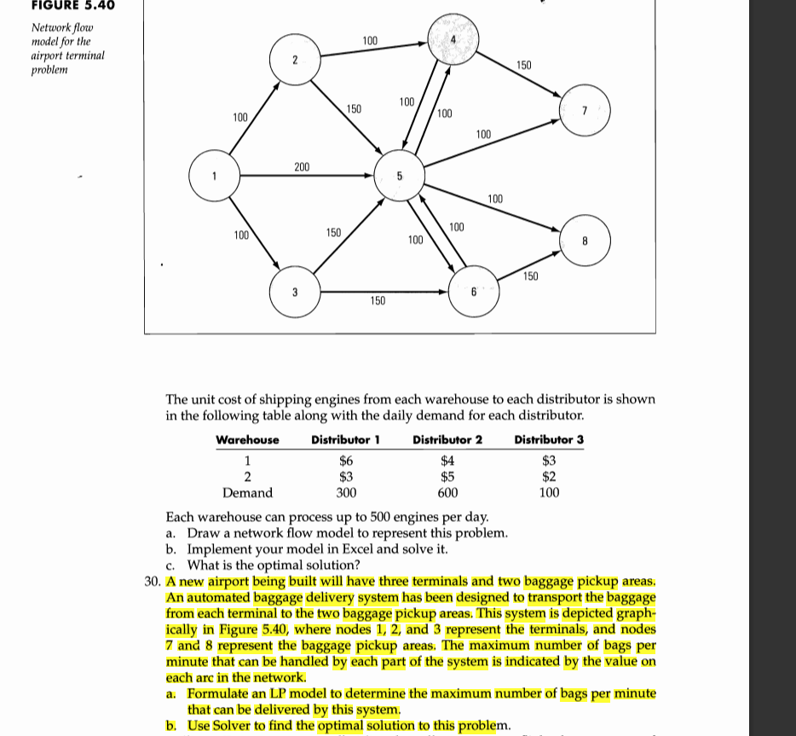

DV | from | to | max no. of bag/min | Nodes | Net Flow | Supply/Demand
0 | 1 | 2 | 100 | 1 | 0 | 0
0 | 1 | 3 | 100 | 2 | 0 | 0
200 | 1 | 5 | 200 | 3 | 0 | 0
100 | 2 | 4 | 100 | 4 | 0 | 0
50 | 2 | 5 | 150 | 5 | 0 | 0
150 | 3 | 5 | 150 | 6 | 0 | 0
150 | 3 | 6 | 150 | 7 | 0 | 0
0 | 4 | 5 | 100 | 8 | 0 | 0
100 | 4 | 7 | 150 | 9 | 0 | 0
100 | 5 | 4 | 100
0 | 5 | 7 | 100
0 | 5 | 8 | 100
50 | 5 | 6 | 100
0 | 6 | 5 | 100
100 | 6 | 8 | 150
0 | 7 | 9 | 9999
100 | 8 | 9 | 9999
200 | 9 | 1 | 9999
300 | 9 | 2 | 9999
150 | 9 | 3 | 9999

max bag/time |  |  | 650

